Sheet1
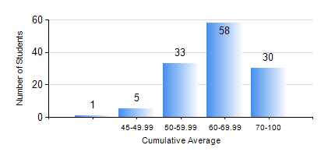
 |  |  | KWAME NKRUMAH UNIVERSITY OF SCIENCE AND TECHNOLOGY, KUMASI Department of Computer Engineering

 |  |  | BSC. COMPUTER ENG.

 |  |  | COMPREHENSIVE RECORD OF EXAMINATION RESULTS

 |  |  | RESULTS OF YEAR 3 FIRST SEMESTER, 2020/2021 ACADEMIC YEAR

 | Sn | Course Code |  | Course Name | Credit Hours | Min. Mark | Max. Mark | Avg. Mark | Std. Dev. | No. Passed | No. Trailed | No. (Df) | No. (I) | No. (I*) | No. Tagged(I,I*,Df) | Total
 | 0. |  |  |  |  |  |  | 0 | 0 | 0 | 0 | 0 | 0 | 0 | 0 | 9
 | 1. | COE 291 |  | COMPUTER ENGINEERING LAB. I | 2 | 70 | 76 | 74 | 3.46 | 3 | 0 | 0 | 0 | 0 | 0 | 3
 | 2. | COE 343 |  | INFORMATION THEORY | 2 | 42 | 96 | 71 | 13.37 | 118 | 0 | 0 | 0 | 0 | 0 | 118
 | 3. | COE 351 |  | OBJECT ORIENTED PROGRAMMING | 4 | 15 | 97 | 72 | 16.81 | 113 | 4 | 0 | 1 | 0 | 1 | 118
 | 4. | COE 371 |  | LINEAR ELECTRONIC CIRCUITS | 3 | 17 | 88 | 54 | 11.81 | 111 | 7 | 0 | 0 | 0 | 0 | 118
 | 5. | COE 381 |  | MICROPROCESSORS | 3 | 21 | 97 | 60 | 15.98 | 111 | 7 | 0 | 0 | 0 | 0 | 118
 | 6. | COE 387 |  | CLASSICAL CONTROL SYSTEMS | 3 | 40 | 96 | 59 | 15.27 | 118 | 0 | 0 | 0 | 0 | 0 | 118
 | 7. | MATH 351 |  | NUMERICAL ANALYSIS | 2 | 44 | 80 | 59 | 7.9 | 118 | 0 | 0 | 0 | 0 | 0 | 118
 | 8. | MATH 353 |  | PROBABILTY AND STATISTICS | 2 | 41 | 87 | 70 | 8.81 | 118 | 0 | 0 | 0 | 0 | 0 | 118

